c3_R5 (really cell 4)
Sweep | Event Time (s) | Threshold (V) | Threshold Time (s) | Peak (V) | Peak Time (s) | AHP (V) | AHP Time (s) | Absolute Event Time (s) | Interevent Interval (s) | Max Slope (V/s) | Min Slope (V/s) | AP Duration @ 50% (s) | Threshold (mV) | Threshold Time (ms) | Peak (mV) | Peak Time (ms) | AHP m(V) | AHP Time (ms) | Interevent Interval (s) | Max Slope (V/s) | Min Slope (V/s) | Max/Min dV/dt | AP Duration @ 50% (s) | Number of Events | Time | First Event |  | Last Event |  | Copyable |  |  | dV/dt Graph
1 | 0.0449 | -0.045623779 | -0.00050000002 | 0.012023926 | 0.00019999999 | -0.056427002 | 0.01485 | 0.066866003 |  | 176.3916 | -77.514648 | 0.00076354726 | -46.28649625 | -0.52613637489 | 10.929454456 | 0.2187499975 | -56.595195364 | 14.863636364 | 113.75804252 | 170.7944 | -73.63059308 | 2.3196119012 | 0.80791914784 | 88 | X | Y (V) | Y (mV) | Y (V) | Y (mV) |  |  |  | ReviewAP | diffAP
1 | 0.15995 | -0.046783447 | -0.00050000002 | 0.011901855 | 0.00025000001 | -0.057159424 | 0.0149 | 0.181916 | 0.11505 | 178.22266 | -76.599121 | 0.0007819407 |  |  |  |  |  |  |  |  |  |  |  |  | 0 | -0.049796019 | -49.796019 | -0.050201416 | -50.201416 | 0 | -49.796019 | -50.201416 | -0.049796019 | 0.6172806
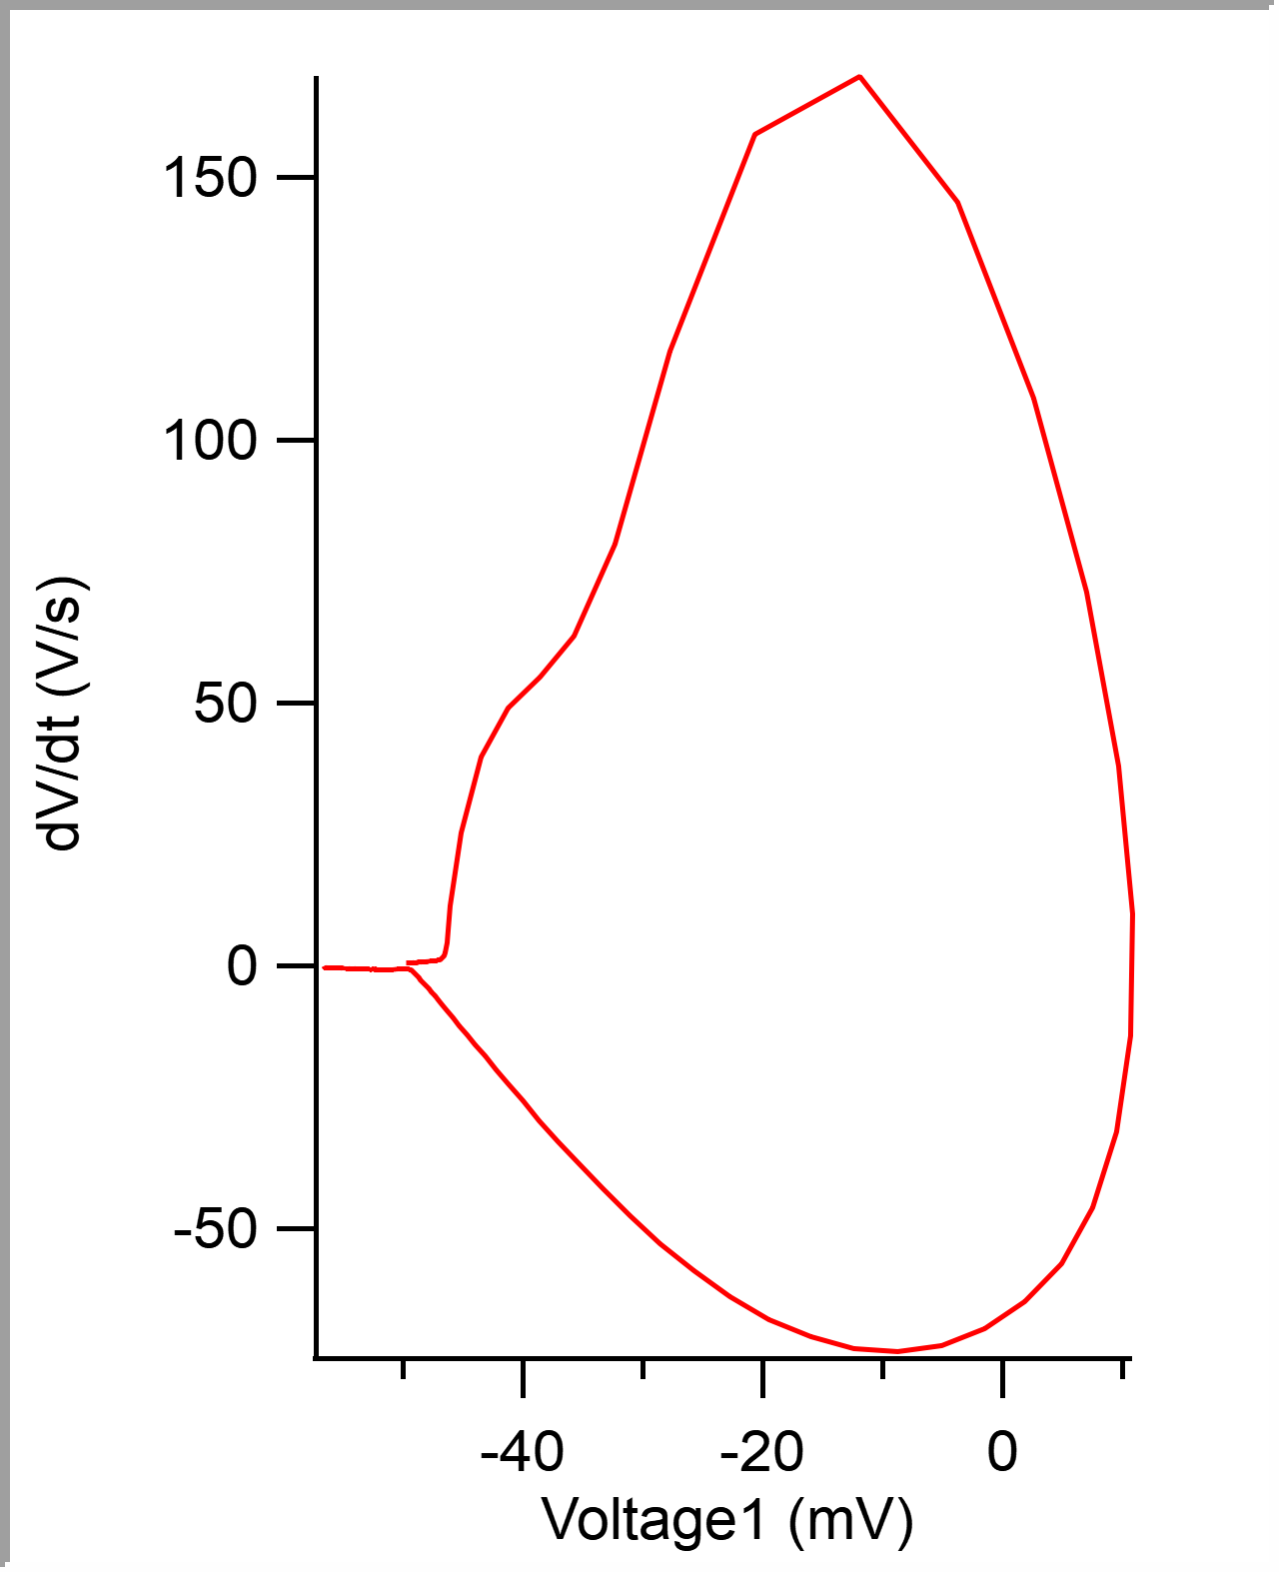
1 | 0.29010001 | -0.046081543 | -0.00050000002 | 0.012023926 | 0.00019999999 | -0.05682373 | 0.0149 | 0.31206602 | 0.13015002 | 181.57959 | -78.735352 | 0.00077213312 |  |  |  |  |  |  |  |  |  |  |  |  | 5.00E-05 | -0.049765155 | -49.765155 | -0.050170898 | -50.170898 | 0.00005 | -49.765155 | -50.170898 | -0.049765155 | 0.55488199
1 | 0.40720001 | -0.046386719 | -0.00050000002 | 0.011962891 | 0.00025000001 | -0.056365967 | 0.0149 | 0.42916602 | 0.1171 | 179.44336 | -78.125 | 0.00077807647 |  |  |  |  |  |  |  |  |  |  |  |  | 0.0001 | -0.049740531 | -49.740531 | -0.050140381 | -50.140381 | 0.0001 | -49.740531 | -50.140381 | -0.049740531 | 0.471659
1 | 0.51779997 | -0.04598999 | -0.00050000002 | 0.011962891 | 0.00019999999 | -0.056274414 | 0.0148 | 0.53976595 | 0.11059994 | 180.05371 | -78.125 | 0.00077506539 |  |  |  |  |  |  |  |  |  |  |  |  | 0.00015 | -0.049717989 | -49.717989 | -0.050109863 | -50.109863 | 0.00015 | -49.717989 | -50.109863 | -0.049717989 | 0.48551708
1 | 0.63575 | -0.046508789 | -0.00050000002 | 0.011993408 | 0.00019999999 | -0.057434082 | 0.0148 | 0.65771598 | 0.11795002 | 181.27441 | -79.345703 | 0.00077404332 |  |  |  |  |  |  |  |  |  |  |  |  | 0.0002 | -0.049691979 | -49.691979 | -0.050109863 | -50.109863 | 0.0002 | -49.691979 | -50.109863 | -0.049691979 | 0.4889816
1 | 0.75935 | -0.045593262 | -0.00050000002 | 0.011962891 | 0.00019999999 | -0.056762695 | 0.01485 | 0.78131598 | 0.12360001 | 181.27441 | -77.514648 | 0.00076989259 |  |  |  |  |  |  |  |  |  |  |  |  | 0.00025 | -0.049669091 | -49.669091 | -0.050079346 | -50.079346 | 0.00025 | -49.669091 | -50.079346 | -0.049669091 | 0.51323324
1 | 0.88910002 | -0.046417236 | -0.00050000002 | 0.011962891 | 0.00019999999 | -0.056945801 | 0.0148 | 0.911066 | 0.12975001 | 182.80029 | -76.599121 | 0.00077460054 |  |  |  |  |  |  |  |  |  |  |  |  | 0.0003 | -0.049640656 | -49.640656 | -0.050079346 | -50.079346 | 0.0003 | -49.640656 | -50.079346 | -0.049640656 | 0.49937516
1 | 1.01835 | -0.046539307 | -0.00050000002 | 0.012023926 | 0.00019999999 | -0.056854248 | 0.01475 | 1.040316 | 0.12924999 | 181.27441 | -75.98877 | 0.00077728333 |  |  |  |  |  |  |  |  |  |  |  |  | 0.00035 | -0.049619153 | -49.619153 | -0.050048828 | -50.048828 | 0.00035 | -49.619153 | -50.048828 | -0.049619153 | 0.4889816
1 | 1.14255 | -0.045959473 | -0.00050000002 | 0.011932373 | 0.00019999999 | -0.056915283 | 0.01485 | 1.164516 | 0.12419999 | 177.30713 | -76.599121 | 0.00077072583 |  |  |  |  |  |  |  |  |  |  |  |  | 0.0004 | -0.049591757 | -49.591757 | -0.050048828 | -50.048828 | 0.0004 | -49.591757 | -50.048828 | -0.049591757 | 0.56874007
1 | 1.2701499 | -0.046173096 | -0.00050000002 | 0.011871338 | 0.00025000001 | -0.057342529 | 0.01485 | 1.2921159 | 0.12759995 | 182.49512 | -77.514648 | 0.00077481114 |  |  |  |  |  |  |  |  |  |  |  |  | 0.00045 | -0.049562279 | -49.562279 | -0.050018311 | -50.018311 | 0.00045 | -49.562279 | -50.018311 | -0.049562279 | 0.5305931
1 | 1.40835 | -0.046875 | -0.00050000002 | 0.012084961 | 0.00025000001 | -0.057189941 | 0.0149 | 1.430316 | 0.13820004 | 179.44336 | -79.345703 | 0.0007691005 |  |  |  |  |  |  |  |  |  |  |  |  | 0.0005 | -0.049538698 | -49.538698 | -0.049987793 | -49.987793 | 0.0005 | -49.538698 | -49.987793 | -0.049538698 | 0.54098666
1 | 1.5523 | -0.046142578 | -0.00050000002 | 0.012084961 | 0.00019999999 | -0.057952881 | 0.0149 | 1.574266 | 0.14394999 | 182.80029 | -79.040527 | 0.00077475409 |  |  |  |  |  |  |  |  |  |  |  |  | 0.00055 | -0.04950818 | -49.50818 | -0.049957275 | -49.957275 | 0.00055 | -49.50818 | -49.957275 | -0.04950818 | 0.51323324
1 | 1.69575 | -0.046447754 | -0.00050000002 | 0.012084961 | 0.00019999999 | -0.057769775 | 0.0148 | 1.717716 | 0.14345002 | 178.22266 | -81.787109 | 0.00076758192 |  |  |  |  |  |  |  |  |  |  |  |  | 0.0006 | -0.049487375 | -49.487375 | -0.049957275 | -49.957275 | 0.0006 | -49.487375 | -49.957275 | -0.049487375 | 0.48547983
1 | 1.8314 | -0.046661377 | -0.00050000002 | 0.01184082 | 0.00019999999 | -0.056549072 | 0.01485 | 1.853366 | 0.13565004 | 183.41064 | -76.904297 | 0.00077809661 |  |  |  |  |  |  |  |  |  |  |  |  | 0.00065 | -0.049459632 | -49.459632 | -0.04989624 | -49.89624 | 0.00065 | -49.459632 | -49.89624 | -0.049459632 | 0.5305931
1 | 1.961 | -0.046051025 | -0.00055 | 0.011871338 | 0.00019999999 | -0.057403564 | 0.0149 | 1.9829659 | 0.12959993 | 177.00195 | -77.514648 | 0.00077086192 |  |  |  |  |  |  |  |  |  |  |  |  | 0.0007 | -0.049434315 | -49.434315 | -0.04989624 | -49.89624 | 0.0007 | -49.434315 | -49.89624 | -0.049434315 | 0.52712858
1 | 2.0984499 | -0.046356201 | -0.00050000002 | 0.011932373 | 0.00019999999 | -0.057006836 | 0.0149 | 2.1204159 | 0.13744998 | 182.49512 | -77.209473 | 0.000777193 |  |  |  |  |  |  |  |  |  |  |  |  | 0.00075 | -0.04940692 | -49.40692 | -0.049865723 | -49.865723 | 0.00075 | -49.40692 | -49.865723 | -0.04940692 | 0.5479157
1 | 2.2302001 | -0.046051025 | -0.00050000002 | 0.011779785 | 0.00019999999 | -0.056976318 | 0.01485 | 2.252166 | 0.13175011 | 180.66406 | -76.904297 | 0.00077438448 |  |  |  |  |  |  |  |  |  |  |  |  | 0.0008 | -0.049379524 | -49.379524 | -0.049865723 | -49.865723 | 0.0008 | -49.379524 | -49.865723 | -0.049379524 | 0.55488199
1 | 2.3671501 | -0.04586792 | -0.00050000002 | 0.011779785 | 0.00019999999 | -0.057098389 | 0.0149 | 2.389116 | 0.13695002 | 180.35889 | -77.819824 | 0.00077278033 |  |  |  |  |  |  |  |  |  |  |  |  | 0.00085 | -0.049351431 | -49.351431 | -0.049804688 | -49.804688 | 0.00085 | -49.351431 | -49.804688 | -0.049351431 | 0.59649348
1 | 2.4890001 | -0.045532227 | -0.00050000002 | 0.01159668 | 0.00019999999 | -0.057067871 | 0.0149 | 2.5109661 | 0.12185001 | 179.13818 | -75.683594 | 0.00077965017 |  |  |  |  |  |  |  |  |  |  |  |  | 0.0009 | -0.049319874 | -49.319874 | -0.04977417 | -49.77417 | 0.0009 | -49.319874 | -49.77417 | -0.049319874 | 0.57220459
1 | 2.6177001 | -0.046386719 | -0.00050000002 | 0.01159668 | 0.00019999999 | -0.057250977 | 0.0149 | 2.6396661 | 0.12870002 | 180.66406 | -76.599121 | 0.00078457652 |  |  |  |  |  |  |  |  |  |  |  |  | 0.00095 | -0.049294211 | -49.294211 | -0.049743652 | -49.743652 | 0.00095 | -49.294211 | -49.743652 | -0.049294211 | 0.50283968
1 | 2.7406499 | -0.046539307 | -0.00055 | 0.011932373 | 0.00019999999 | -0.056945801 | 0.01485 | 2.7626159 | 0.12294984 | 174.86572 | -76.599121 | 0.00079030229 |  |  |  |  |  |  |  |  |  |  |  |  | 0.001 | -0.049269591 | -49.269591 | -0.049713135 | -49.713135 | 0.001 | -49.269591 | -49.713135 | -0.049269591 | 0.5305931
1 | 2.86115 | -0.045654297 | -0.00050000002 | 0.011657715 | 0.00019999999 | -0.056732178 | 0.0149 | 2.883116 | 0.12050009 | 174.25537 | -75.378418 | 0.00078396685 |  |  |  |  |  |  |  |  |  |  |  |  | 0.00105 | -0.049241152 | -49.241152 | -0.049713135 | -49.713135 | 0.00105 | -49.241152 | -49.713135 | -0.049241152 | 0.58609992
1 | 2.98915 | -0.046539307 | -0.00055 | 0.011444092 | 0.00019999999 | -0.056610107 | 0.0148 | 3.011116 | 0.12800002 | 174.25537 | -76.293945 | 0.00078257662 |  |  |  |  |  |  |  |  |  |  |  |  | 0.0011 | -0.049210981 | -49.210981 | -0.049682617 | -49.682617 | 0.0011 | -49.210981 | -49.682617 | -0.049210981 | 0.58259815
1 | 3.1127501 | -0.046203613 | -0.00050000002 | 0.011505127 | 0.00019999999 | -0.056976318 | 0.0148 | 3.134716 | 0.12360001 | 178.83301 | -74.768066 | 0.00078545848 |  |  |  |  |  |  |  |  |  |  |  |  | 0.00115 | -0.049182892 | -49.182892 | -0.0496521 | -49.6521 | 0.00115 | -49.182892 | -49.6521 | -0.049182892 | 0.59299171
1 | 3.2400501 | -0.046234131 | -0.00050000002 | 0.011627197 | 0.00019999999 | -0.057220459 | 0.0149 | 3.2620161 | 0.12730002 | 176.69678 | -75.683594 | 0.0007854852 |  |  |  |  |  |  |  |  |  |  |  |  | 0.0012 | -0.049151681 | -49.151681 | -0.0496521 | -49.6521 | 0.0012 | -49.151681 | -49.6521 | -0.049151681 | 0.6172806
1 | 3.3635001 | -0.046234131 | -0.00055 | 0.011688232 | 0.00019999999 | -0.0574646 | 0.01485 | 3.3854661 | 0.12345004 | 173.64502 | -77.209473 | 0.00078527996 |  |  |  |  |  |  |  |  |  |  |  |  | 0.00125 | -0.049121164 | -49.121164 | -0.049621582 | -49.621582 | 0.00125 | -49.121164 | -49.621582 | -0.049121164 | 0.60688704
1 | 3.4904001 | -0.046447754 | -0.00050000002 | 0.011627197 | 0.00019999999 | -0.05682373 | 0.0149 | 3.5123661 | 0.12689996 | 177.6123 | -76.293945 | 0.00079046184 |  |  |  |  |  |  |  |  |  |  |  |  | 0.0013 | -0.049090993 | -49.090993 | -0.049591064 | -49.591064 | 0.0013 | -49.090993 | -49.591064 | -0.049090993 | 0.53752214
1 | 3.6226499 | -0.046295166 | -0.00050000002 | 0.011413574 | 0.00019999999 | -0.057098389 | 0.01485 | 3.6446159 | 0.13224983 | 176.69678 | -76.599121 | 0.00079307792 |  |  |  |  |  |  |  |  |  |  |  |  | 0.00135 | -0.049067412 | -49.067412 | -0.049530029 | -49.530029 | 0.00135 | -49.067412 | -49.530029 | -0.049067412 | 0.55488199
1 | 3.7509999 | -0.046600342 | -0.00050000002 | 0.011474609 | 0.00019999999 | -0.057159424 | 0.01485 | 3.7729659 | 0.12835002 | 179.13818 | -76.599121 | 0.00078704319 |  |  |  |  |  |  |  |  |  |  |  |  | 0.0014 | -0.049035504 | -49.035504 | -0.049499512 | -49.499512 | 0.0014 | -49.035504 | -49.499512 | -0.049035504 | 0.62078238
1 | 3.8717501 | -0.04675293 | -0.00055 | 0.011199951 | 0.00019999999 | -0.056549072 | 0.0149 | 3.8937161 | 0.12075019 | 172.72949 | -74.462891 | 0.00079571689 |  |  |  |  |  |  |  |  |  |  |  |  | 0.00145 | -0.049005333 | -49.005333 | -0.049499512 | -49.499512 | 0.00145 | -49.005333 | -49.499512 | -0.049005333 | 0.59299171
1 | 4.0001998 | -0.046447754 | -0.00050000002 | 0.011413574 | 0.00025000001 | -0.05670166 | 0.0149 | 4.0221658 | 0.12844968 | 176.69678 | -75.683594 | 0.00078941812 |  |  |  |  |  |  |  |  |  |  |  |  | 0.0015 | -0.048976205 | -48.976205 | -0.049468994 | -49.468994 | 0.0015 | -48.976205 | -49.468994 | -0.048976205 | 0.58606267
1 | 4.1227002 | -0.046936035 | -0.00050000002 | 0.011199951 | 0.00025000001 | -0.057037354 | 0.01485 | 4.1446662 | 0.12250042 | 177.6123 | -75.378418 | 0.00080291799 |  |  |  |  |  |  |  |  |  |  |  |  | 0.00155 | -0.048946727 | -48.946727 | -0.049407959 | -49.407959 | 0.00155 | -48.946727 | -49.407959 | -0.048946727 | 0.60688704
1 | 4.2466002 | -0.046600342 | -0.00050000002 | 0.011291504 | 0.00025000001 | -0.05682373 | 0.0149 | 4.2685661 | 0.12389994 | 175.78125 | -74.157715 | 0.00079963997 |  |  |  |  |  |  |  |  |  |  |  |  | 0.0016 | -0.048915517 | -48.915517 | -0.049377441 | -49.377441 | 0.0016 | -48.915517 | -49.377441 | -0.048915517 | 0.58952719
1 | 4.3628502 | -0.046447754 | -0.00050000002 | 0.011199951 | 0.00019999999 | -0.056640625 | 0.01485 | 4.3848162 | 0.11625004 | 175.1709 | -75.683594 | 0.00079276063 |  |  |  |  |  |  |  |  |  |  |  |  | 0.00165 | -0.048887774 | -48.887774 | -0.049346924 | -49.346924 | 0.00165 | -48.887774 | -49.346924 | -0.048887774 | 0.57220459
1 | 4.4878998 | -0.046142578 | -0.00050000002 | 0.011077881 | 0.00019999999 | -0.056854248 | 0.01485 | 4.5098658 | 0.12504959 | 175.47607 | -74.462891 | 0.00079124927 |  |  |  |  |  |  |  |  |  |  |  |  | 0.0017 | -0.048858296 | -48.858296 | -0.049346924 | -49.346924 | 0.0017 | -48.858296 | -49.346924 | -0.048858296 | 0.59649348
1 | 4.6170998 | -0.04675293 | -0.00050000002 | 0.011291504 | 0.00025000001 | -0.057678223 | 0.01485 | 4.6390657 | 0.12919998 | 176.08643 | -76.293945 | 0.00080054492 |  |  |  |  |  |  |  |  |  |  |  |  | 0.00175 | -0.048828125 | -48.828125 | -0.049346924 | -49.346924 | 0.00175 | -48.828125 | -49.346924 | -0.048828125 | 0.6172806
1 | 4.7581 | -0.047302246 | -0.00050000002 | 0.011291504 | 0.00019999999 | -0.057403564 | 0.01485 | 4.780066 | 0.14100027 | 178.22266 | -74.462891 | 0.00080283335 |  |  |  |  |  |  |  |  |  |  |  |  | 0.0018 | -0.048796568 | -48.796568 | -0.049285889 | -49.285889 | 0.0018 | -48.796568 | -49.285889 | -0.048796568 | 0.66235662
1 | 4.8961 | -0.047149658 | -0.00050000002 | 0.011169434 | 0.00019999999 | -0.057403564 | 0.0148 | 4.918066 | 0.13800001 | 178.83301 | -76.293945 | 0.00080146338 |  |  |  |  |  |  |  |  |  |  |  |  | 0.00185 | -0.048761889 | -48.761889 | -0.049255371 | -49.255371 | 0.00185 | -48.761889 | -49.255371 | -0.048761889 | 0.67278743
1 | 5.0232 | -0.046905518 | -0.00055 | 0.011199951 | 0.00019999999 | -0.056488037 | 0.0149 | 5.045166 | 0.12709999 | 172.42432 | -74.157715 | 0.00079718337 |  |  |  |  |  |  |  |  |  |  |  |  | 0.0019 | -0.048729289 | -48.729289 | -0.049194336 | -49.194336 | 0.0019 | -48.729289 | -49.194336 | -0.048729289 | 0.63810498
1 | 5.15835 | -0.046936035 | -0.00050000002 | 0.011352539 | 0.00025000001 | -0.057403564 | 0.0149 | 5.180316 | 0.13514996 | 177.00195 | -76.599121 | 0.00079917535 |  |  |  |  |  |  |  |  |  |  |  |  | 0.00195 | -0.048698079 | -48.698079 | -0.049163818 | -49.163818 | 0.00195 | -48.698079 | -49.163818 | -0.048698079 | 0.63113868
1 | 5.2906499 | -0.046813965 | -0.00055 | 0.011199951 | 0.00019999999 | -0.056976318 | 0.0149 | 5.3126159 | 0.1322999 | 175.78125 | -73.547363 | 0.00080386421 |  |  |  |  |  |  |  |  |  |  |  |  | 0.002 | -0.048666175 | -48.666175 | -0.049133301 | -49.133301 | 0.002 | -48.666175 | -49.133301 | -0.048666175 | 0.60688704
1 | 5.4053001 | -0.046630859 | -0.00050000002 | 0.010803223 | 0.00025000001 | -0.056945801 | 0.01485 | 5.4272661 | 0.11465025 | 175.1709 | -73.242188 | 0.00080358965 |  |  |  |  |  |  |  |  |  |  |  |  | 0.00205 | -0.04863739 | -48.63739 | -0.049102783 | -49.102783 | 0.00205 | -48.63739 | -49.102783 | -0.04863739 | 0.63810498
1 | 5.5228 | -0.046386719 | -0.00050000002 | 0.010894775 | 0.00019999999 | -0.057403564 | 0.0149 | 5.5447659 | 0.11749983 | 173.33984 | -75.683594 | 0.00079573214 |  |  |  |  |  |  |  |  |  |  |  |  | 0.0021 | -0.048602365 | -48.602365 | -0.049102783 | -49.102783 | 0.0021 | -48.602365 | -49.102783 | -0.048602365 | 0.63810498
1 | 5.64645 | -0.046783447 | -0.00055 | 0.011016846 | 0.00019999999 | -0.05682373 | 0.01485 | 5.668416 | 0.12365007 | 173.03467 | -75.98877 | 0.00080482673 |  |  |  |  |  |  |  |  |  |  |  |  | 0.00215 | -0.04857358 | -48.57358 | -0.049072266 | -49.072266 | 0.00215 | -48.57358 | -49.072266 | -0.04857358 | 0.65542758
1 | 5.7841501 | -0.045715332 | -0.00050000002 | 0.011169434 | 0.00025000001 | -0.057312012 | 0.01485 | 5.8061161 | 0.13770008 | 174.56055 | -75.683594 | 0.00079486985 |  |  |  |  |  |  |  |  |  |  |  |  | 0.0022 | -0.048536822 | -48.536822 | -0.04901123 | -49.01123 | 0.0022 | -48.536822 | -49.01123 | -0.048536822 | 0.6588921
1 | 5.9134002 | -0.046630859 | -0.00050000002 | 0.011047363 | 0.00025000001 | -0.05682373 | 0.0149 | 5.9353662 | 0.12925005 | 175.1709 | -74.157715 | 0.00080831541 |  |  |  |  |  |  |  |  |  |  |  |  | 0.00225 | -0.04850769 | -48.50769 | -0.04901123 | -49.01123 | 0.00225 | -48.50769 | -49.01123 | -0.04850769 | 0.62078238
1 | 6.0374999 | -0.046508789 | -0.00050000002 | 0.010742188 | 0.00019999999 | -0.056854248 | 0.01485 | 6.0594659 | 0.12409973 | 175.47607 | -74.157715 | 0.00080379727 |  |  |  |  |  |  |  |  |  |  |  |  | 0.0023 | -0.048474744 | -48.474744 | -0.048950195 | -48.950195 | 0.0023 | -48.474744 | -48.950195 | -0.048474744 | 0.64849854
1 | 6.1528001 | -0.046356201 | -0.00050000002 | 0.010803223 | 0.00025000001 | -0.056640625 | 0.0148 | 6.1747661 | 0.11530018 | 172.72949 | -73.547363 | 0.00080815854 |  |  |  |  |  |  |  |  |  |  |  |  | 0.00235 | -0.048442841 | -48.442841 | -0.048950195 | -48.950195 | 0.00235 | -48.442841 | -48.950195 | -0.048442841 | 0.68318099
1 | 6.2698498 | -0.046691895 | -0.00055 | 0.010894775 | 0.00019999999 | -0.056945801 | 0.0148 | 6.2918158 | 0.11704969 | 170.89844 | -74.157715 | 0.00081309915 |  |  |  |  |  |  |  |  |  |  |  |  | 0.0024 | -0.048406426 | -48.406426 | -0.04888916 | -48.88916 | 0.0024 | -48.406426 | -48.88916 | -0.048406426 | 0.72132796
1 | 6.3821998 | -0.046264648 | -0.00055 | 0.010803223 | 0.00019999999 | -0.056335449 | 0.0149 | 6.4041657 | 0.11234999 | 167.5415 | -72.631836 | 0.00081906084 |  |  |  |  |  |  |  |  |  |  |  |  | 0.00245 | -0.048370708 | -48.370708 | -0.048858643 | -48.858643 | 0.00245 | -48.370708 | -48.858643 | -0.048370708 | 0.72129071
1 | 6.4913001 | -0.046661377 | -0.00055 | 0.010681152 | 0.00025000001 | -0.056762695 | 0.01475 | 6.5132661 | 0.10910034 | 169.98291 | -72.937012 | 0.00081787287 |  |  |  |  |  |  |  |  |  |  |  |  | 0.0025 | -0.048334297 | -48.334297 | -0.048797607 | -48.797607 | 0.0025 | -48.334297 | -48.797607 | -0.048334297 | 0.7455796
1 | 6.5940499 | -0.045928955 | -0.00050000002 | 0.010620117 | 0.00025000001 | -0.056274414 | 0.01485 | 6.6160159 | 0.10274982 | 169.98291 | -72.937012 | 0.00081214914 |  |  |  |  |  |  |  |  |  |  |  |  | 0.00255 | -0.04829615 | -48.29615 | -0.048797607 | -48.797607 | 0.00255 | -48.29615 | -48.797607 | -0.04829615 | 0.71439892
1 | 6.68855 | -0.045776367 | -0.00055 | 0.010650635 | 0.00019999999 | -0.056091309 | 0.0149 | 6.710516 | 0.094500065 | 165.71045 | -73.242188 | 0.00081126601 |  |  |  |  |  |  |  |  |  |  |  |  | 0.0026 | -0.048262857 | -48.262857 | -0.048736572 | -48.736572 | 0.0026 | -48.262857 | -48.736572 | -0.048262857 | 0.71439892
1 | 6.7827501 | -0.046051025 | -0.00055 | 0.010192871 | 0.00019999999 | -0.056060791 | 0.0149 | 6.8047161 | 0.094200134 | 163.57422 | -71.105957 | 0.00082341395 |  |  |  |  |  |  |  |  |  |  |  |  | 0.00265 | -0.04822471 | -48.22471 | -0.048675537 | -48.675537 | 0.00265 | -48.22471 | -48.675537 | -0.04822471 | 0.73172152
1 | 6.8763499 | -0.046661377 | -0.00060000003 | 0.010345459 | 0.00019999999 | -0.056335449 | 0.01485 | 6.8983159 | 0.093599796 | 164.79492 | -70.19043 | 0.00083363621 |  |  |  |  |  |  |  |  |  |  |  |  | 0.0027 | -0.048189685 | -48.189685 | -0.04864502 | -48.64502 | 0.0027 | -48.189685 | -48.64502 | -0.048189685 | 0.74561685
1 | 6.9734502 | -0.045898438 | -0.00055 | 0.01071167 | 0.00019999999 | -0.055755615 | 0.01485 | 6.9954162 | 0.097100258 | 163.57422 | -71.716309 | 0.00082136347 |  |  |  |  |  |  |  |  |  |  |  |  | 0.00275 | -0.048150148 | -48.150148 | -0.048614502 | -48.614502 | 0.00275 | -48.150148 | -48.614502 | -0.048150148 | 0.77683479
1 | 7.0643001 | -0.045684814 | -0.00055 | 0.010253906 | 0.00019999999 | -0.055358887 | 0.0149 | 7.086266 | 0.090849876 | 160.52246 | -71.716309 | 0.00082492305 |  |  |  |  |  |  |  |  |  |  |  |  | 0.0028 | -0.048112001 | -48.112001 | -0.048553467 | -48.553467 | 0.0028 | -48.112001 | -48.553467 | -0.048112001 | 0.74904412
1 | 7.1489 | -0.045562744 | -0.00055 | 0.010467529 | 0.00025000001 | -0.055725098 | 0.01485 | 7.170866 | 0.084599972 | 162.04834 | -72.32666 | 0.00081815559 |  |  |  |  |  |  |  |  |  |  |  |  | 0.00285 | -0.048075244 | -48.075244 | -0.048553467 | -48.553467 | 0.00285 | -48.075244 | -48.553467 | -0.048075244 | 0.72132796
1 | 7.2351999 | -0.045013428 | -0.00055 | 0.010101318 | 0.00019999999 | -0.05480957 | 0.0149 | 7.2571659 | 0.086299896 | 160.21729 | -70.19043 | 0.00082407409 |  |  |  |  |  |  |  |  |  |  |  |  | 0.0029 | -0.048039868 | -48.039868 | -0.048492432 | -48.492432 | 0.0029 | -48.039868 | -48.492432 | -0.048039868 | 0.67971647
1 | 7.3154998 | -0.046722412 | -0.00060000003 | 0.010192871 | 0.00019999999 | -0.05557251 | 0.0148 | 7.3374658 | 0.080299854 | 162.65869 | -70.800781 | 0.00083475426 |  |  |  |  |  |  |  |  |  |  |  |  | 0.00295 | -0.048007272 | -48.007272 | -0.048461914 | -48.461914 | 0.00295 | -48.007272 | -48.461914 | -0.048007272 | 0.75947493
1 | 7.4022498 | -0.046112061 | -0.00055 | 0.010131836 | 0.00025000001 | -0.055633545 | 0.01485 | 7.4242158 | 0.086750031 | 162.04834 | -70.19043 | 0.00082940923 |  |  |  |  |  |  |  |  |  |  |  |  | 0.003 | -0.047963921 | -47.963921 | -0.048431396 | -48.431396 | 0.003 | -47.963921 | -48.431396 | -0.047963921 | 0.84269792
1 | 7.4962001 | -0.045318604 | -0.00050000002 | 0.010192871 | 0.00025000001 | -0.056091309 | 0.0149 | 7.5181661 | 0.093950272 | 162.04834 | -69.580078 | 0.00083321426 |  |  |  |  |  |  |  |  |  |  |  |  | 0.00305 | -0.047923002 | -47.923002 | -0.048339844 | -48.339844 | 0.00305 | -47.923002 | -48.339844 | -0.047923002 | 0.80108643
1 | 7.5899 | -0.046203613 | -0.00055 | 0.010253906 | 0.00019999999 | -0.056060791 | 0.01485 | 7.611866 | 0.093699932 | 162.35352 | -69.885254 | 0.00083202508 |  |  |  |  |  |  |  |  |  |  |  |  | 0.0031 | -0.047883812 | -47.883812 | -0.048339844 | -48.339844 | 0.0031 | -47.883812 | -48.339844 | -0.047883812 | 0.83576888
1 | 7.68925 | -0.04598999 | -0.00055 | 0.009979248 | 0.00025000001 | -0.056915283 | 0.01485 | 7.711216 | 0.099349976 | 161.13281 | -69.885254 | 0.0008344177 |  |  |  |  |  |  |  |  |  |  |  |  | 0.00315 | -0.047839426 | -47.839426 | -0.048309326 | -48.309326 | 0.00315 | -47.839426 | -48.309326 | -0.047839426 | 0.84616244
1 | 7.7859998 | -0.046478271 | -0.00055 | 0.010223389 | 0.00025000001 | -0.056060791 | 0.0149 | 7.8079658 | 0.096749783 | 162.96387 | -70.495605 | 0.00083633687 |  |  |  |  |  |  |  |  |  |  |  |  | 0.0032 | -0.047799196 | -47.799196 | -0.048278809 | -48.278809 | 0.0032 | -47.799196 | -48.278809 | -0.047799196 | 0.80455095
1 | 7.8860998 | -0.046051025 | -0.00055 | 0.010406494 | 0.00019999999 | -0.05645752 | 0.0149 | 7.9080658 | 0.10010004 | 163.87939 | -69.885254 | 0.00083382748 |  |  |  |  |  |  |  |  |  |  |  |  | 0.00325 | -0.04775897 | -47.75897 | -0.048248291 | -48.248291 | 0.00325 | -47.75897 | -48.248291 | -0.04775897 | 0.81494451
1 | 7.9797001 | -0.045684814 | -0.00055 | 0.009979248 | 0.00019999999 | -0.055969238 | 0.0149 | 8.0016661 | 0.093600273 | 161.74316 | -68.969727 | 0.00083462009 |  |  |  |  |  |  |  |  |  |  |  |  | 0.0033 | -0.047717702 | -47.717702 | -0.048187256 | -48.187256 | 0.0033 | -47.717702 | -48.187256 | -0.047717702 | 0.83576888
1 | 8.0799999 | -0.046051025 | -0.00055 | 0.010162354 | 0.00019999999 | -0.056274414 | 0.0149 | 8.1019659 | 0.10029984 | 160.52246 | -70.800781 | 0.00083195767 |  |  |  |  |  |  |  |  |  |  |  |  | 0.00335 | -0.047675394 | -47.675394 | -0.048156738 | -48.156738 | 0.00335 | -47.675394 | -48.156738 | -0.047675394 | 0.85309148
1 | 8.1789503 | -0.046508789 | -0.00055 | 0.010040283 | 0.00025000001 | -0.055786133 | 0.01475 | 8.2009163 | 0.098950386 | 163.57422 | -70.19043 | 0.0008387086 |  |  |  |  |  |  |  |  |  |  |  |  | 0.0034 | -0.047632392 | -47.632392 | -0.048126221 | -48.126221 | 0.0034 | -47.632392 | -48.126221 | -0.047632392 | 0.88430941
1 | 8.2671003 | -0.046234131 | -0.00055 | 0.0099487305 | 0.00025000001 | -0.055969238 | 0.01485 | 8.2890663 | 0.088150024 | 161.13281 | -69.274902 | 0.00084012304 |  |  |  |  |  |  |  |  |  |  |  |  | 0.00345 | -0.047586963 | -47.586963 | -0.048095703 | -48.095703 | 0.00345 | -47.586963 | -48.095703 | -0.047586963 | 0.88088214
1 | 8.3572502 | -0.046295166 | -0.00055 | 0.010040283 | 0.00019999999 | -0.056121826 | 0.0148 | 8.3792162 | 0.090149879 | 157.77588 | -69.274902 | 0.00084335858 |  |  |  |  |  |  |  |  |  |  |  |  | 0.0035 | -0.047544304 | -47.544304 | -0.048065186 | -48.065186 | 0.0035 | -47.544304 | -48.065186 | -0.047544304 | 0.88781118
1 | 8.4611998 | -0.046112061 | -0.00055 | 0.010101318 | 0.00025000001 | -0.055755615 | 0.01475 | 8.4831657 | 0.10394955 | 161.74316 | -70.19043 | 0.00083779095 |  |  |  |  |  |  |  |  |  |  |  |  | 0.00355 | -0.047498181 | -47.498181 | -0.048034668 | -48.034668 | 0.00355 | -47.498181 | -48.034668 | -0.047498181 | 0.92245638
1 | 8.5495005 | -0.046264648 | -0.00055 | 0.009979248 | 0.00025000001 | -0.056030273 | 0.0149 | 8.5714664 | 0.088300705 | 160.52246 | -68.359375 | 0.00084649218 |  |  |  |  |  |  |  |  |  |  |  |  | 0.0036 | -0.047452059 | -47.452059 | -0.047973633 | -47.973633 | 0.0036 | -47.452059 | -47.973633 | -0.047452059 | 0.89816749
1 | 8.6466999 | -0.046569824 | -0.00055 | 0.0098266602 | 0.00025000001 | -0.055541992 | 0.0149 | 8.6686659 | 0.09719944 | 159.91211 | -68.969727 | 0.00084364536 |  |  |  |  |  |  |  |  |  |  |  |  | 0.00365 | -0.047408365 | -47.408365 | -0.047943115 | -47.943115 | 0.00365 | -47.408365 | -47.943115 | -0.047408365 | 0.89816749
1 | 8.7443504 | -0.045837402 | -0.00055 | 0.0099182129 | 0.00025000001 | -0.056243896 | 0.0149 | 8.7663164 | 0.097650528 | 160.21729 | -69.885254 | 0.0008355109 |  |  |  |  |  |  |  |  |  |  |  |  | 0.0037 | -0.047362242 | -47.362242 | -0.047912598 | -47.912598 | 0.0037 | -47.362242 | -47.912598 | -0.047362242 | 0.96060336
1 | 8.83745 | -0.045806885 | -0.00055 | 0.0098876953 | 0.00019999999 | -0.055725098 | 0.0149 | 8.859416 | 0.093099594 | 156.25 | -68.664551 | 0.00083920016 |  |  |  |  |  |  |  |  |  |  |  |  | 0.00375 | -0.047312304 | -47.312304 | -0.04788208 | -47.88208 | 0.00375 | -47.312304 | -47.88208 | -0.047312304 | 0.97449869
1 | 8.92945 | -0.046020508 | -0.00055 | 0.0099487305 | 0.00025000001 | -0.056121826 | 0.0149 | 8.951416 | 0.092000008 | 159.30176 | -69.580078 | 0.00084166665 |  |  |  |  |  |  |  |  |  |  |  |  | 0.0038 | -0.047264792 | -47.264792 | -0.047821045 | -47.821045 | 0.0038 | -47.264792 | -47.821045 | -0.047264792 | 0.92249364
1 | 9.0315504 | -0.046447754 | -0.00060000003 | 0.0099182129 | 0.00019999999 | -0.05657959 | 0.01485 | 9.0535164 | 0.10210037 | 162.04834 | -69.274902 | 0.00084893731 |  |  |  |  |  |  |  |  |  |  |  |  | 0.00385 | -0.047220055 | -47.220055 | -0.04776001 | -47.76001 | 0.00385 | -47.220055 | -47.76001 | -0.047220055 | 0.9502098
1 | 9.1367502 | -0.046264648 | -0.00055 | 0.0099182129 | 0.00019999999 | -0.056213379 | 0.0149 | 9.1587162 | 0.10519981 | 158.99658 | -68.969727 | 0.00084052904 |  |  |  |  |  |  |  |  |  |  |  |  | 0.0039 | -0.047169771 | -47.169771 | -0.047698975 | -47.698975 | 0.0039 | -47.169771 | -47.698975 | -0.047169771 | 1.0438263
1 | 9.2359505 | -0.046234131 | -0.00055 | 0.009765625 | 0.00025000001 | -0.055847168 | 0.0149 | 9.2579165 | 0.099200249 | 160.82764 | -68.664551 | 0.00084733852 |  |  |  |  |  |  |  |  |  |  |  |  | 0.00395 | -0.047115672 | -47.115672 | -0.047637939 | -47.637939 | 0.00395 | -47.115672 | -47.637939 | -0.047115672 | 1.0507554
1 | 9.3302002 | -0.045593262 | -0.00050000002 | 0.0099487305 | 0.00025000001 | -0.056182861 | 0.0149 | 9.3521662 | 0.094249725 | 161.74316 | -68.664551 | 0.00083934324 |  |  |  |  |  |  |  |  |  |  |  |  | 0.004 | -0.047064696 | -47.064696 | -0.047637939 | -47.637939 | 0.004 | -47.064696 | -47.637939 | -0.047064696 | 1.0854378
1 | 9.4222498 | -0.046081543 | -0.00055 | 0.0098266602 | 0.00019999999 | -0.056671143 | 0.0149 | 9.4442158 | 0.092049599 | 157.4707 | -68.969727 | 0.00084774353 |  |  |  |  |  |  |  |  |  |  |  |  | 0.00405 | -0.047007129 | -47.007129 | -0.047576904 | -47.576904 | 0.00405 | -47.007129 | -47.576904 | -0.047007129 | 1.1340156
1 | 9.52845 | -0.046386719 | -0.00055 | 0.0096740723 | 0.00019999999 | -0.056427002 | 0.0149 | 9.550416 | 0.10620022 | 157.77588 | -68.664551 | 0.00084582681 |  |  |  |  |  |  |  |  |  |  |  |  | 0.0041 | -0.046951294 | -46.951294 | -0.047515869 | -47.515869 | 0.0041 | -46.951294 | -47.515869 | -0.046951294 | 1.1513755
1 | 9.6343002 | -0.045837402 | -0.00050000002 | 0.0098571777 | 0.00025000001 | -0.056610107 | 0.0148 | 9.6562662 | 0.10585022 | 161.74316 | -68.359375 | 0.00084553793 |  |  |  |  |  |  |  |  |  |  |  |  | 0.00415 | -0.046891991 | -46.891991 | -0.047485352 | -47.485352 | 0.00415 | -46.891991 | -47.485352 | -0.046891991 | 1.2761726
1 | 9.7435999 | -0.046539307 | -0.00055 | 0.010131836 | 0.00025000001 | -0.056121826 | 0.0149 | 9.7655659 | 0.10929966 | 162.96387 | -70.800781 | 0.00084705785 |  |  |  |  |  |  |  |  |  |  |  |  | 0.0042 | -0.046823677 | -46.823677 | -0.047393799 | -47.393799 | 0.0042 | -46.823677 | -47.393799 | -0.046823677 | 1.335144
1 | 9.8398504 | -0.047088623 | -0.00055 | 0.009979248 | 0.00025000001 | -0.056213379 | 0.0149 | 9.8618164 | 0.096250534 | 162.04834 | -69.274902 | 0.0008570553 |  |  |  |  |  |  |  |  |  |  |  |  | 0.00425 | -0.046758477 | -46.758477 | -0.047332764 | -47.332764 | 0.00425 | -46.758477 | -47.332764 | -0.046758477 | 1.4149398
1 | 9.9418497 | -0.046905518 | -0.00055 | 0.0098266602 | 0.00025000001 | -0.055358887 | 0.0149 | 9.9638157 | 0.10199928 | 162.04834 | -69.274902 | 0.00085063343 |  |  |  |  |  |  |  |  |  |  |  |  | 0.0043 | -0.046682183 | -46.682183 | -0.047271729 | -47.271729 | 0.0043 | -46.682183 | -47.271729 | -0.046682183 | 1.62296
 |  |  |  |  |  |  |  |  |  |  |  |  |  |  |  |  |  |  |  |  |  |  |  |  | 0.00435 | -0.046596181 | -46.596181 | -0.047180176 | -47.180176 | 0.00435 | -46.596181 | -47.180176 | -0.046596181 | 1.8726661
 |  |  |  |  |  |  |  |  |  |  |  |  |  |  |  |  |  |  |  |  |  |  |  |  | 0.0044 | -0.046494916 | -46.494916 | -0.047088623 | -47.088623 | 0.0044 | -46.494916 | -47.088623 | -0.046494916 | 2.3755059
 |  |  |  |  |  |  |  |  |  |  |  |  |  |  |  |  |  |  |  |  |  |  |  |  | 0.00445 | -0.04635863 | -46.35863 | -0.046905518 | -46.905518 | 0.00445 | -46.35863 | -46.905518 | -0.04635863 | 4.3106079
 |  |  |  |  |  |  |  |  |  |  |  |  |  |  |  |  |  |  |  |  |  |  |  |  | 0.0045 | -0.046063855 | -46.063855 | -0.046508789 | -46.508789 | 0.0045 | -46.063855 | -46.508789 | -0.046063855 | 11.437162
 |  |  |  |  |  |  |  |  |  |  |  |  |  |  |  |  |  |  |  |  |  |  |  |  | 0.00455 | -0.045214914 | -45.214914 | -0.045318604 | -45.318604 | 0.00455 | -45.214914 | -45.318604 | -0.045214914 | 25.274082
 |  |  |  |  |  |  |  |  |  |  |  |  |  |  |  |  |  |  |  |  |  |  |  |  | 0.0046 | -0.043536447 | -43.536447 | -0.043395996 | -43.395996 | 0.0046 | -43.536447 | -43.395996 | -0.043536447 | 39.634705
 |  |  |  |  |  |  |  |  |  |  |  |  |  |  |  |  |  |  |  |  |  |  |  |  | 0.00465 | -0.041251443 | -41.251443 | -0.041046143 | -41.046143 | 0.00465 | -41.251443 | -41.046143 | -0.041251443 | 48.991108
 |  |  |  |  |  |  |  |  |  |  |  |  |  |  |  |  |  |  |  |  |  |  |  |  | 0.0047 | -0.038637336 | -38.637336 | -0.038543701 | -38.543701 | 0.0047 | -38.637336 | -38.543701 | -0.038637336 | 54.935104
 |  |  |  |  |  |  |  |  |  |  |  |  |  |  |  |  |  |  |  |  |  |  |  |  | 0.00475 | -0.035757933 | -35.757933 | -0.035797119 | -35.797119 | 0.00475 | -35.757933 | -35.797119 | -0.035757933 | 62.658154
 |  |  |  |  |  |  |  |  |  |  |  |  |  |  |  |  |  |  |  |  |  |  |  |  | 0.0048 | -0.032371521 | -32.371521 | -0.032623291 | -32.623291 | 0.0048 | -32.371521 | -32.623291 | -0.032371521 | 80.254303
 |  |  |  |  |  |  |  |  |  |  |  |  |  |  |  |  |  |  |  |  |  |  |  |  | 0.00485 | -0.027732503 | -27.732503 | -0.02835083 | -28.35083 | 0.00485 | -27.732503 | -28.35083 | -0.027732503 | 116.94128
 |  |  |  |  |  |  |  |  |  |  |  |  |  |  |  |  |  |  |  |  |  |  |  |  | 0.0049 | -0.020677393 | -20.677393 | -0.021850586 | -21.850586 | 0.0049 | -20.677393 | -21.850586 | -0.020677393 | 158.20937
 |  |  |  |  |  |  |  |  |  |  |  |  |  |  |  |  |  |  |  |  |  |  |  |  | 0.00495 | -0.011911565 | -11.911565 | -0.01348877 | -13.48877 | 0.00495 | -11.911565 | -13.48877 | -0.011911565 | 169.2928
 |  |  |  |  |  |  |  |  |  |  |  |  |  |  |  |  |  |  |  |  |  |  |  |  | 0.005 | -0.0037481135 | -3.7481135 | -0.005645752 | -5.645752 | 0.005 | -3.7481135 | -5.645752 | -0.0037481135 | 145.26367
 |  |  |  |  |  |  |  |  |  |  |  |  |  |  |  |  |  |  |  |  |  |  |  |  | 0.00505 | 0.0026148015 | 2.6148015 | 0.00073242188 | 0.73242188 | 0.00505 | 2.6148015 | 0.73242188 | 0.0026148015 | 108.03916
 |  |  |  |  |  |  |  |  |  |  |  |  |  |  |  |  |  |  |  |  |  |  |  |  | 0.0051 | 0.0070558027 | 7.0558027 | 0.0052185059 | 5.2185059 | 0.0051 | 7.0558027 | 5.2185059 | 0.0070558027 | 71.071274
 |  |  |  |  |  |  |  |  |  |  |  |  |  |  |  |  |  |  |  |  |  |  |  |  | 0.00515 | 0.0097219292 | 9.7219292 | 0.0081481934 | 8.1481934 | 0.00515 | 9.7219292 | 8.1481934 | 0.0097219292 | 38.022125
 |  |  |  |  |  |  |  |  |  |  |  |  |  |  |  |  |  |  |  |  |  |  |  |  | 0.0052 | 0.010858015 | 10.858015 | 0.009552002 | 9.552002 | 0.0052 | 10.858015 | 9.552002 | 0.010858015 | 9.8523216
 |  |  |  |  |  |  |  |  |  |  |  |  |  |  |  |  |  |  |  |  |  |  |  |  | 0.00525 | 0.010707161 | 10.707161 | 0.0098266602 | 9.8266602 | 0.00525 | 10.707161 | 9.8266602 | 0.010707161 | -13.320223
 |  |  |  |  |  |  |  |  |  |  |  |  |  |  |  |  |  |  |  |  |  |  |  |  | 0.0053 | 0.0095259929 | 9.5259929 | 0.0090942383 | 9.0942383 | 0.0053 | 9.5259929 | 9.0942383 | 0.0095259929 | -31.696665
 |  |  |  |  |  |  |  |  |  |  |  |  |  |  |  |  |  |  |  |  |  |  |  |  | 0.00535 | 0.0075374949 | 7.5374949 | 0.0075683594 | 7.5683594 | 0.00535 | 7.5374949 | 7.5683594 | 0.0075374949 | -46.001785
 |  |  |  |  |  |  |  |  |  |  |  |  |  |  |  |  |  |  |  |  |  |  |  |  | 0.0054 | 0.0049258145 | 4.9258145 | 0.0054626465 | 5.4626465 | 0.0054 | 4.9258145 | 5.4626465 | 0.0049258145 | -56.65519
 |  |  |  |  |  |  |  |  |  |  |  |  |  |  |  |  |  |  |  |  |  |  |  |  | 0.00545 | 0.001871976 | 1.871976 | 0.0027770996 | 2.7770996 | 0.00545 | 1.871976 | 2.7770996 | 0.001871976 | -64.041832
 |  |  |  |  |  |  |  |  |  |  |  |  |  |  |  |  |  |  |  |  |  |  |  |  | 0.0055 | -0.0014783685 | -1.4783685 | -0.00021362305 | -0.21362305 | 0.0055 | -1.4783685 | -0.21362305 | -0.0014783685 | -69.181274
 |  |  |  |  |  |  |  |  |  |  |  |  |  |  |  |  |  |  |  |  |  |  |  |  | 0.00555 | -0.0050461511 | -5.0461511 | -0.0035400391 | -3.5400391 | 0.00555 | -5.0461511 | -3.5400391 | -0.0050461511 | -72.347466
 |  |  |  |  |  |  |  |  |  |  |  |  |  |  |  |  |  |  |  |  |  |  |  |  | 0.0056 | -0.008713115 | -8.713115 | -0.0069274902 | -6.9274902 | 0.0056 | -8.713115 | -6.9274902 | -0.008713115 | -73.491867
 |  |  |  |  |  |  |  |  |  |  |  |  |  |  |  |  |  |  |  |  |  |  |  |  | 0.00565 | -0.012395338 | -12.395338 | -0.010437012 | -10.437012 | 0.00565 | -12.395338 | -10.437012 | -0.012395338 | -72.850327
 |  |  |  |  |  |  |  |  |  |  |  |  |  |  |  |  |  |  |  |  |  |  |  |  | 0.0057 | -0.015998147 | -15.998147 | -0.01385498 | -13.85498 | 0.0057 | -15.998147 | -13.85498 | -0.015998147 | -70.662064
 |  |  |  |  |  |  |  |  |  |  |  |  |  |  |  |  |  |  |  |  |  |  |  |  | 0.00575 | -0.019461544 | -19.461544 | -0.017242432 | -17.242432 | 0.00575 | -19.461544 | -17.242432 | -0.019461544 | -67.360603
 |  |  |  |  |  |  |  |  |  |  |  |  |  |  |  |  |  |  |  |  |  |  |  |  | 0.0058 | -0.022734208 | -22.734208 | -0.02041626 | -20.41626 | 0.0058 | -22.734208 | -20.41626 | -0.022734208 | -63.070824
 |  |  |  |  |  |  |  |  |  |  |  |  |  |  |  |  |  |  |  |  |  |  |  |  | 0.00585 | -0.025768626 | -25.768626 | -0.023406982 | -23.406982 | 0.00585 | -25.768626 | -23.406982 | -0.025768626 | -58.160275
 |  |  |  |  |  |  |  |  |  |  |  |  |  |  |  |  |  |  |  |  |  |  |  |  | 0.0059 | -0.028550236 | -28.550236 | -0.0262146 | -26.2146 | 0.0059 | -28.550236 | -26.2146 | -0.028550236 | -52.909851
 |  |  |  |  |  |  |  |  |  |  |  |  |  |  |  |  |  |  |  |  |  |  |  |  | 0.00595 | -0.031059612 | -31.059612 | -0.028778076 | -28.778076 | 0.00595 | -31.059612 | -28.778076 | -0.031059612 | -47.614334
 |  |  |  |  |  |  |  |  |  |  |  |  |  |  |  |  |  |  |  |  |  |  |  |  | 0.006 | -0.033311669 | -33.311669 | -0.031097412 | -31.097412 | 0.006 | -33.311669 | -31.097412 | -0.033311669 | -42.516552
 |  |  |  |  |  |  |  |  |  |  |  |  |  |  |  |  |  |  |  |  |  |  |  |  | 0.00605 | -0.035311267 | -35.311267 | -0.033203125 | -33.203125 | 0.00605 | -35.311267 | -33.203125 | -0.035311267 | -37.751644
 |  |  |  |  |  |  |  |  |  |  |  |  |  |  |  |  |  |  |  |  |  |  |  |  | 0.0061 | -0.037086833 | -37.086833 | -0.03503418 | -35.03418 | 0.0061 | -37.086833 | -35.03418 | -0.037086833 | -33.444466
 |  |  |  |  |  |  |  |  |  |  |  |  |  |  |  |  |  |  |  |  |  |  |  |  | 0.00615 | -0.038655713 | -38.655713 | -0.036682129 | -36.682129 | 0.00615 | -38.655713 | -36.682129 | -0.038655713 | -29.477217
 |  |  |  |  |  |  |  |  |  |  |  |  |  |  |  |  |  |  |  |  |  |  |  |  | 0.0062 | -0.040034555 | -40.034555 | -0.038116455 | -38.116455 | 0.0062 | -40.034555 | -38.116455 | -0.040034555 | -25.801249
 |  |  |  |  |  |  |  |  |  |  |  |  |  |  |  |  |  |  |  |  |  |  |  |  | 0.00625 | -0.041235838 | -41.235838 | -0.039459229 | -39.459229 | 0.00625 | -41.235838 | -39.459229 | -0.041235838 | -22.565647
 |  |  |  |  |  |  |  |  |  |  |  |  |  |  |  |  |  |  |  |  |  |  |  |  | 0.0063 | -0.04229112 | -42.29112 | -0.040557861 | -40.557861 | 0.0063 | -42.29112 | -40.557861 | -0.04229112 | -19.753202
 |  |  |  |  |  |  |  |  |  |  |  |  |  |  |  |  |  |  |  |  |  |  |  |  | 0.00635 | -0.043211158 | -43.211158 | -0.041564941 | -41.564941 | 0.00635 | -43.211158 | -41.564941 | -0.043211158 | -17.232038
 |  |  |  |  |  |  |  |  |  |  |  |  |  |  |  |  |  |  |  |  |  |  |  |  | 0.0064 | -0.044014324 | -44.014324 | -0.042449951 | -42.449951 | 0.0064 | -44.014324 | -42.449951 | -0.044014324 | -15.064552
 |  |  |  |  |  |  |  |  |  |  |  |  |  |  |  |  |  |  |  |  |  |  |  |  | 0.00645 | -0.044717614 | -44.717614 | -0.043243408 | -43.243408 | 0.00645 | -44.717614 | -43.243408 | -0.044717614 | -13.139918
 |  |  |  |  |  |  |  |  |  |  |  |  |  |  |  |  |  |  |  |  |  |  |  |  | 0.0065 | -0.045328315 | -45.328315 | -0.043914795 | -43.914795 | 0.0065 | -45.328315 | -43.914795 | -0.045328315 | -11.475309
 |  |  |  |  |  |  |  |  |  |  |  |  |  |  |  |  |  |  |  |  |  |  |  |  | 0.00655 | -0.045865145 | -45.865145 | -0.044525146 | -44.525146 | 0.00655 | -45.865145 | -44.525146 | -0.045865145 | -9.9840755
 |  |  |  |  |  |  |  |  |  |  |  |  |  |  |  |  |  |  |  |  |  |  |  |  | 0.0066 | -0.046326723 | -46.326723 | -0.045074463 | -45.074463 | 0.0066 | -46.326723 | -45.074463 | -0.046326723 | -8.6420403
 |  |  |  |  |  |  |  |  |  |  |  |  |  |  |  |  |  |  |  |  |  |  |  |  | 0.00665 | -0.046729349 | -46.729349 | -0.045562744 | -45.562744 | 0.00665 | -46.729349 | -45.562744 | -0.046729349 | -7.5080247
 |  |  |  |  |  |  |  |  |  |  |  |  |  |  |  |  |  |  |  |  |  |  |  |  | 0.0067 | -0.047077525 | -47.077525 | -0.045959473 | -45.959473 | 0.0067 | -47.077525 | -45.959473 | -0.047077525 | -6.5820665
 |  |  |  |  |  |  |  |  |  |  |  |  |  |  |  |  |  |  |  |  |  |  |  |  | 0.00675 | -0.047387555 | -47.387555 | -0.046325684 | -46.325684 | 0.00675 | -47.387555 | -46.325684 | -0.047387555 | -5.7428703
 |  |  |  |  |  |  |  |  |  |  |  |  |  |  |  |  |  |  |  |  |  |  |  |  | 0.0068 | -0.047651812 | -47.651812 | -0.046630859 | -46.630859 | 0.0068 | -47.651812 | -46.630859 | -0.047651812 | -5.0076842
 |  |  |  |  |  |  |  |  |  |  |  |  |  |  |  |  |  |  |  |  |  |  |  |  | 0.00685 | -0.047888324 | -47.888324 | -0.046905518 | -46.905518 | 0.00685 | -47.888324 | -46.905518 | -0.047888324 | -4.4111533
 |  |  |  |  |  |  |  |  |  |  |  |  |  |  |  |  |  |  |  |  |  |  |  |  | 0.0069 | -0.048092928 | -48.092928 | -0.047149658 | -47.149658 | 0.0069 | -48.092928 | -47.149658 | -0.048092928 | -3.8805604
 |  |  |  |  |  |  |  |  |  |  |  |  |  |  |  |  |  |  |  |  |  |  |  |  | 0.00695 | -0.04827638 | -48.27638 | -0.047332764 | -47.332764 | 0.00695 | -48.27638 | -47.332764 | -0.04827638 | -3.4575164
 |  |  |  |  |  |  |  |  |  |  |  |  |  |  |  |  |  |  |  |  |  |  |  |  | 0.007 | -0.048438679 | -48.438679 | -0.047576904 | -47.576904 | 0.007 | -48.438679 | -47.576904 | -0.048438679 | -3.0101464
 |  |  |  |  |  |  |  |  |  |  |  |  |  |  |  |  |  |  |  |  |  |  |  |  | 0.00705 | -0.048577394 | -48.577394 | -0.04776001 | -47.76001 | 0.00705 | -48.577394 | -47.76001 | -0.048577394 | -2.6356056
 |  |  |  |  |  |  |  |  |  |  |  |  |  |  |  |  |  |  |  |  |  |  |  |  | 0.0071 | -0.04870224 | -48.70224 | -0.04788208 | -47.88208 | 0.0071 | -48.70224 | -47.88208 | -0.04870224 | -2.3443251
 |  |  |  |  |  |  |  |  |  |  |  |  |  |  |  |  |  |  |  |  |  |  |  |  | 0.00715 | -0.048811827 | -48.811827 | -0.048034668 | -48.034668 | 0.00715 | -48.811827 | -48.034668 | -0.048811827 | -2.0911546
 |  |  |  |  |  |  |  |  |  |  |  |  |  |  |  |  |  |  |  |  |  |  |  |  | 0.0072 | -0.048911355 | -48.911355 | -0.048187256 | -48.187256 | 0.0072 | -48.911355 | -48.187256 | -0.048911355 | -1.8345191
 |  |  |  |  |  |  |  |  |  |  |  |  |  |  |  |  |  |  |  |  |  |  |  |  | 0.00725 | -0.048995279 | -48.995279 | -0.048309326 | -48.309326 | 0.00725 | -48.995279 | -48.309326 | -0.048995279 | -1.6021729
 |  |  |  |  |  |  |  |  |  |  |  |  |  |  |  |  |  |  |  |  |  |  |  |  | 0.0073 | -0.049071573 | -49.071573 | -0.048400879 | -48.400879 | 0.0073 | -49.071573 | -48.400879 | -0.049071573 | -1.4426559
 |  |  |  |  |  |  |  |  |  |  |  |  |  |  |  |  |  |  |  |  |  |  |  |  | 0.00735 | -0.049139544 | -49.139544 | -0.048461914 | -48.461914 | 0.00735 | -49.139544 | -48.461914 | -0.049139544 | -1.3039261
...

c7_R5
Threshold Time (ms) | Peak (mV) | Peak Time (ms) | AHP m(V) | AHP Time (ms) | Interevent Interval (s) | Max Slope (V/s) | Min Slope (V/s) | Max/Min dV/dt | AP Duration @ 50% (s) | Number of Events | Time | First Event |  | Last Event
-0.30954199092 | 7.1047717435 | 0.10305343291 | -61.025372031 | 11.46984734 | 76.470385931 | 273.09505084 | -157.61280779 | 1.7326958048 | 0.37707544389 | 131 | X | Y (V) | Y (mV) | Y (V)
 |  |  |  |  |  |  |  |  |  |  | 0 | -0.05284806 | -52.84806 | -0.054199219
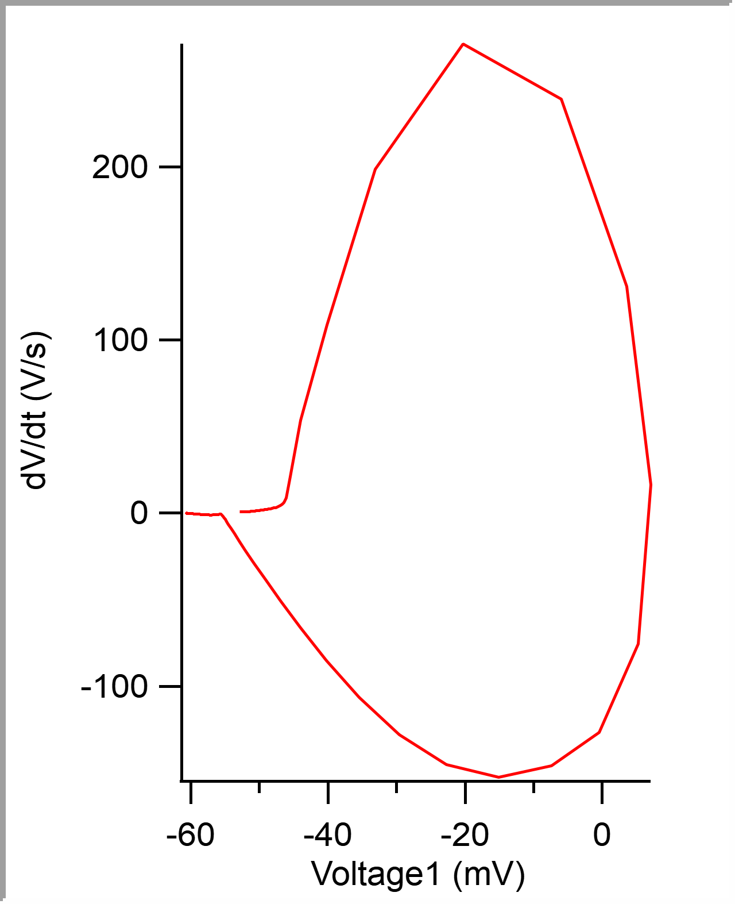
 |  |  |  |  |  |  |  |  |  |  | 5.00E-05 | -0.052810319 | -52.810319 | -0.054138184
 |  |  |  |  |  |  |  |  |  |  | 0.0001 | -0.052780502 | -52.780502 | -0.054077148
 |  |  |  |  |  |  |  |  |  |  | 0.00015 | -0.05274649 | -52.74649 | -0.054016113
 |  |  |  |  |  |  |  |  |  |  | 0.0002 | -0.05271364 | -52.71364 | -0.053985596
 |  |  |  |  |  |  |  |  |  |  | 0.00025 | -0.052681725 | -52.681725 | -0.054016113
 |  |  |  |  |  |  |  |  |  |  | 0.0003 | -0.052647483 | -52.647483 | -0.053924561
 |  |  |  |  |  |  |  |  |  |  | 0.00035 | -0.05261207 | -52.61207 | -0.053863525
 |  |  |  |  |  |  |  |  |  |  | 0.0004 | -0.052579459 | -52.579459 | -0.05380249
 |  |  |  |  |  |  |  |  |  |  | 0.00045 | -0.052544516 | -52.544516 | -0.053771973
 |  |  |  |  |  |  |  |  |  |  | 0.0005 | -0.052508872 | -52.508872 | -0.053710938
 |  |  |  |  |  |  |  |  |  |  | 0.00055 | -0.0524709 | -52.4709 | -0.053649902
 |  |  |  |  |  |  |  |  |  |  | 0.0006 | -0.052435953 | -52.435953 | -0.053619385
 |  |  |  |  |  |  |  |  |  |  | 0.00065 | -0.052401941 | -52.401941 | -0.05355835
 |  |  |  |  |  |  |  |  |  |  | 0.0007 | -0.052363038 | -52.363038 | -0.053497314
 |  |  |  |  |  |  |  |  |  |  | 0.00075 | -0.052328795 | -52.328795 | -0.053436279
 |  |  |  |  |  |  |  |  |  |  | 0.0008 | -0.052294549 | -52.294549 | -0.053405762
 |  |  |  |  |  |  |  |  |  |  | 0.00085 | -0.052258674 | -52.258674 | -0.053344727
 |  |  |  |  |  |  |  |  |  |  | 0.0009 | -0.052220237 | -52.220237 | -0.053314209
 |  |  |  |  |  |  |  |  |  |  | 0.00095 | -0.052179236 | -52.179236 | -0.053253174
 |  |  |  |  |  |  |  |  |  |  | 0.001 | -0.052141961 | -52.141961 | -0.053192139
 |  |  |  |  |  |  |  |  |  |  | 0.00105 | -0.05210958 | -52.10958 | -0.053131104
 |  |  |  |  |  |  |  |  |  |  | 0.0011 | -0.0520772 | -52.0772 | -0.053070068
 |  |  |  |  |  |  |  |  |  |  | 0.00115 | -0.052042022 | -52.042022 | -0.052978516
 |  |  |  |  |  |  |  |  |  |  | 0.0012 | -0.05200801 | -52.00801 | -0.052947998
 |  |  |  |  |  |  |  |  |  |  | 0.00125 | -0.051973533 | -51.973533 | -0.052856445
 |  |  |  |  |  |  |  |  |  |  | 0.0013 | -0.051939752 | -51.939752 | -0.052825928
 |  |  |  |  |  |  |  |  |  |  | 0.00135 | -0.051907141 | -51.907141 | -0.052734375
 |  |  |  |  |  |  |  |  |  |  | 0.0014 | -0.051873825 | -51.873825 | -0.05267334
 |  |  |  |  |  |  |  |  |  |  | 0.00145 | -0.051841676 | -51.841676 | -0.052581787
 |  |  |  |  |  |  |  |  |  |  | 0.0015 | -0.05180813 | -51.80813 | -0.05255127
...

c8_R8
Threshold Time (ms) | Peak (mV) | Peak Time (ms) | AHP m(V) | AHP Time (ms) | Interevent Interval (s) | Max Slope (V/s) | Min Slope (V/s) | Max/Min dV/dt | AP Duration @ 50% (s) | Number of Events | Time | First Event |  | Last Event
-0.47046511893 | 8.1555743553 | 0.18046511409 | -53.294053186 | 9.567441874 | 46.573600364 | 164.87015149 | -81.149788823 | 2.0316769012 | 0.67356567019 | 215 | X | Y (V) | Y (mV) | Y (V)
 |  |  |  |  |  |  |  |  |  |  | 0 | -0.049045864 | -49.045864 | -0.048980713
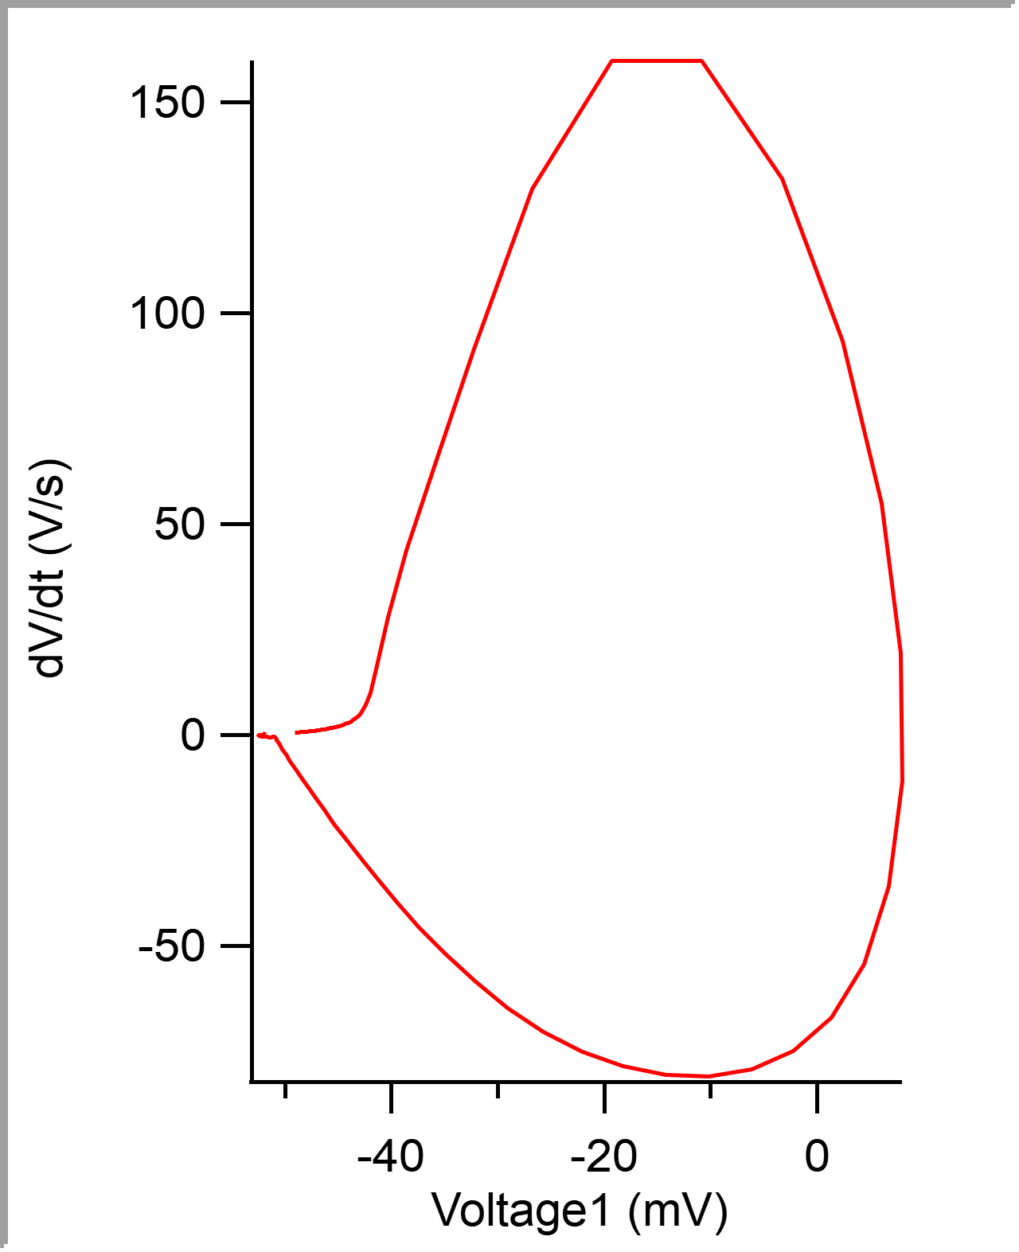
 |  |  |  |  |  |  |  |  |  |  | 5.00E-05 | -0.049012508 | -49.012508 | -0.048950195
 |  |  |  |  |  |  |  |  |  |  | 0.0001 | -0.048981991 | -48.981991 | -0.048919678
 |  |  |  |  |  |  |  |  |  |  | 0.00015 | -0.04895062 | -48.95062 | -0.04888916
 |  |  |  |  |  |  |  |  |  |  | 0.0002 | -0.048918825 | -48.918825 | -0.04888916
 |  |  |  |  |  |  |  |  |  |  | 0.00025 | -0.048886888 | -48.886888 | -0.048858643
 |  |  |  |  |  |  |  |  |  |  | 0.0003 | -0.048856087 | -48.856087 | -0.04876709
 |  |  |  |  |  |  |  |  |  |  | 0.00035 | -0.048820604 | -48.820604 | -0.048736572
 |  |  |  |  |  |  |  |  |  |  | 0.0004 | -0.048786961 | -48.786961 | -0.048675537
 |  |  |  |  |  |  |  |  |  |  | 0.00045 | -0.048751477 | -48.751477 | -0.04864502
 |  |  |  |  |  |  |  |  |  |  | 0.0005 | -0.048716273 | -48.716273 | -0.048583984
 |  |  |  |  |  |  |  |  |  |  | 0.00055 | -0.048678659 | -48.678659 | -0.048553467
 |  |  |  |  |  |  |  |  |  |  | 0.0006 | -0.048643742 | -48.643742 | -0.048522949
 |  |  |  |  |  |  |  |  |  |  | 0.00065 | -0.048607972 | -48.607972 | -0.048522949
 |  |  |  |  |  |  |  |  |  |  | 0.0007 | -0.048569933 | -48.569933 | -0.048461914
 |  |  |  |  |  |  |  |  |  |  | 0.00075 | -0.048532885 | -48.532885 | -0.048431396
 |  |  |  |  |  |  |  |  |  |  | 0.0008 | -0.048493709 | -48.493709 | -0.048400879
 |  |  |  |  |  |  |  |  |  |  | 0.00085 | -0.048455667 | -48.455667 | -0.048370361
 |  |  |  |  |  |  |  |  |  |  | 0.0009 | -0.048416492 | -48.416492 | -0.048370361
 |  |  |  |  |  |  |  |  |  |  | 0.00095 | -0.048377316 | -48.377316 | -0.048309326
 |  |  |  |  |  |  |  |  |  |  | 0.001 | -0.048337288 | -48.337288 | -0.048278809
 |  |  |  |  |  |  |  |  |  |  | 0.00105 | -0.048297971 | -48.297971 | -0.048248291
 |  |  |  |  |  |  |  |  |  |  | 0.0011 | -0.04826007 | -48.26007 | -0.048187256
 |  |  |  |  |  |  |  |  |  |  | 0.00115 | -0.048217207 | -48.217207 | -0.048126221
 |  |  |  |  |  |  |  |  |  |  | 0.0012 | -0.048176326 | -48.176326 | -0.048065186
 |  |  |  |  |  |  |  |  |  |  | 0.00125 | -0.048135731 | -48.135731 | -0.04800415
 |  |  |  |  |  |  |  |  |  |  | 0.0013 | -0.048093148 | -48.093148 | -0.04800415
 |  |  |  |  |  |  |  |  |  |  | 0.00135 | -0.048052553 | -48.052553 | -0.047943115
 |  |  |  |  |  |  |  |  |  |  | 0.0014 | -0.0480121 | -48.0121 | -0.04788208
 |  |  |  |  |  |  |  |  |  |  | 0.00145 | -0.047967814 | -47.967814 | -0.047790527
 |  |  |  |  |  |  |  |  |  |  | 0.0015 | -0.047921684 | -47.921684 | -0.04776001
...

